Creditors
Trade Creditors
Client | Sample Client |  | Index | Accounts
Year Ended | 2024-06-30 |  | Procedures
Summary
Creditors Balance | 22,661.67 | Is client on SBE Cash Basis for Tax?
GST on Creditors | 2,060.15

Creditors Report

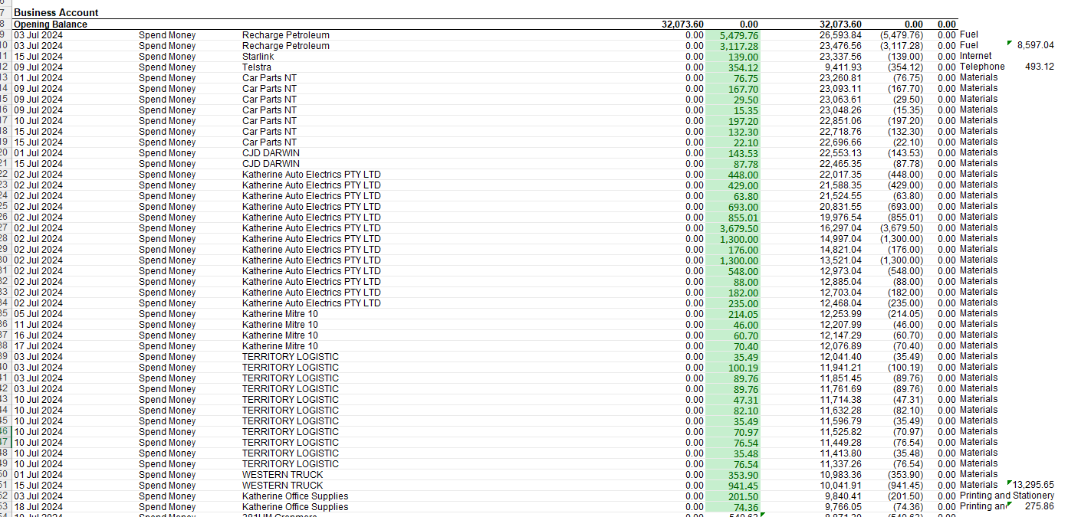

 |  |  |  |  |  | Gross amount | GST | Net Amount
 |  |  |  |  | Fuel | $8,597.04 | $781.55 | $7,815.49
 |  |  |  |  | Internet & Telephone | $493.12 | $44.83 | $448.29
 |  |  |  |  | Materials | $13,295.65 | $1,208.70 | $12,086.95
 |  |  |  |  | Printing | $275.86 | $25.08 | $250.78
 |  |  |  |  | Total | $22,661.67 | $2,060.15 | $20,601.52

